MM1
Arnold's Muffler Shop example, Ch12
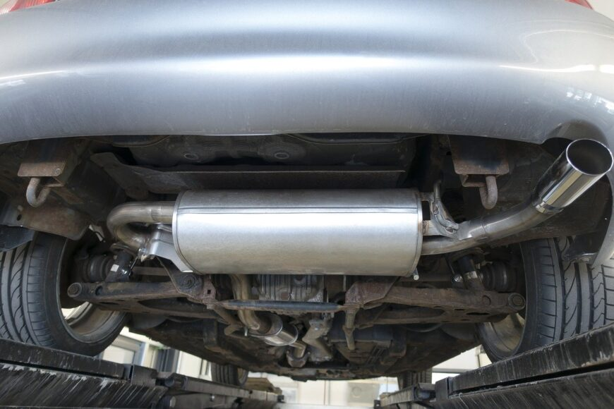

mechanic is able to install new mufflers at an average rate of three per hour (one every twenty minutes)
customers arrive at the shop at average rate of two per hour (one every 30 minutes)
assume the conditions for a single-channel model are met
calculate the various operating characteristics for the model.

lambda = | 2 | cars per hour
mu = | 3 | cars per hour
lambda/mu = | 0.66666666667 | <1? | Yes - can use formulas for M/M/1 model

Lq | 1.3333333333 | vehicles (waiting in the queue)
Ls | 0.66666666667 | vehicles (at the service point)
L | 2 | vehicles (in the system)

Wq | 0.66666666667 | hours (average waiting time in the queue)
Ws | 0.33333333333 | hours (average service time)
W | 1 | hour (avg time in the system)

rho | 0.66666666667 | percentage time the mechanic is busy, or probability that the server is busy
P0 | 0.33333333333 | probability that there are 0 cars in the system

Probability of more than k cars in the system:
k | P(n>k)=
0 | 0.6667 | looks familiar? P(n>0)=1-P0
1 | 0.4444
2 | 0.2963
3 | 0.1975 | approx 19.8% chance that there are more than 3 cars in the system
4 | 0.1317
5 | 0.0878
6 | 0.0585
7 | 0.0390

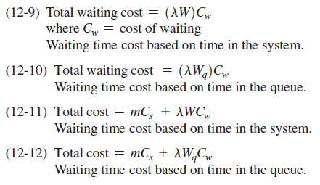
Costs: |  |  |  | See formulas at end of chapter 12, Render and Stair textbook.
Total service cost = (number of channels)*(cost per channel)
Total service cost = m*Cs (m=number of channels, Cs= service cost (labour) per channel)

Total waiting cost=(total waiting time for all arrivals)*(cost of waiting)
 | =(number of arrivals*avg wait per arrival)*Cw

we can write this as TWC = (lambda*W)*Cw if waiting time is based on time in the system
or, if total waiting time is based on time in the queue:
 | TWC= (lambda*Wq)*Cw

So, total cost = | total service cost + total waiting cost
= | m*Cs + lambda*W*Cw | (time in system)
or
= | m*Cs + lambda*Wq*Cw | (time in queue)

Assume the following:
Cs= | $15.00 | per hour service cost, which is based on the hourly wage of the current mechanic
Cw= | $50.00 | per hour waiting cost, and that customers only mind for waiting in the queue and not while the car is being worked on
working hours= | 8 | hours per day

TSC per day = |  |  | (hours/day)*(#channels)*(service cost/hour)
TWC per day = |  |  | (hours/day)*(arrivals/hour)*(hours in the queue)*(waiting cost/hour)
Total cost = | $-

If another mechanic can install mufflers at a rate of 4 per hour, but costs $20 per hour, should we replace our current mechanic with the new one?
Can you think of other ways to reduce the overall cost of waiting?

Extra questions:
What is the probability that an arriving customer will have to wait in the queue before being serviced at Arnold's?
What is the probability that there are more than two customers waiting to be serviced at Arnold's?

